Hoja 1
 | CNN - Train | CNN - Pred | RNN - Train | RNN - Pred
"200" | 665,353,130 | 665,332,030 | 863,011,720 | 863,105,470
"100" | 671,322,660 | 671,307,030 | 863,050,800 | 863,097,660 | 66,535,313 | 67,132,266 | 67,139,844 | 68,440,703 | 68,440,313
"75" | 671,398,440 | 671,375,000 | 863,047,660 | 863,089,800 | 66,533,203 | 67,130,703 | 67,137,500 | 68,438,672 | 68,439,453
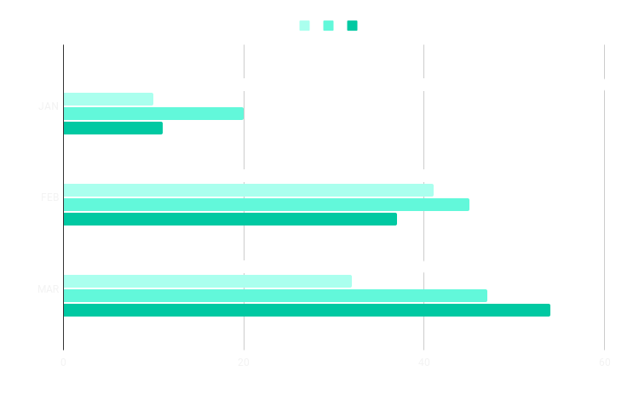
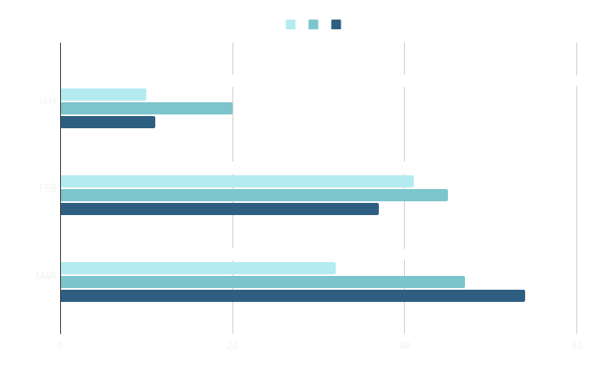
"50" | 684,407,030 | 684,386,720 | 863,085,940 | 863,113,280 | 86,301,172 | 8,630,508 | 86,304,766 | 86,308,594 | 86,311,328
"25" | 684,403,130 | 684,394,530 | 863,113,280 | 863,105,690 | 86,310,547 | 86,309,766 | 8,630,898 | 86,311,328 | 86,310,569

Mini-Batch Size vs Memory Use

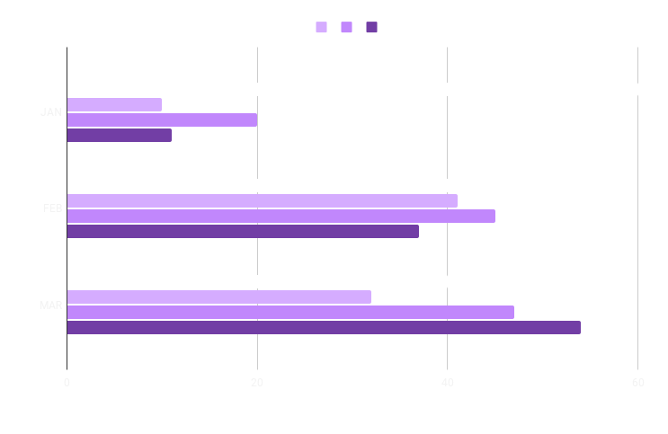
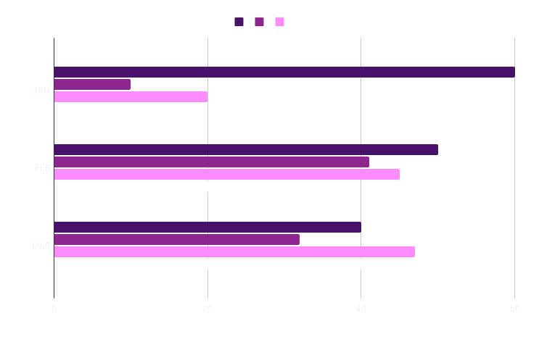

Mini-Batch Size vs Memory Use

